Bug report
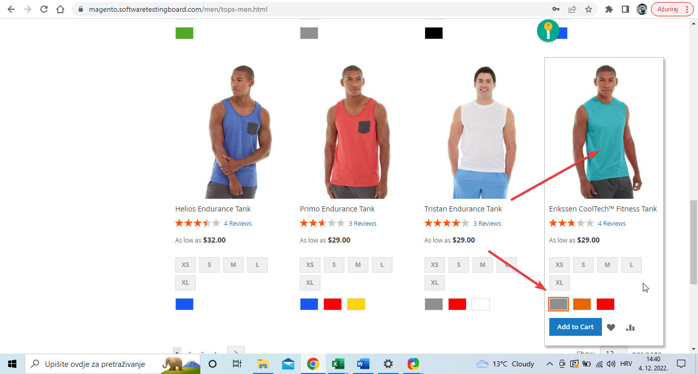
Category | Label | Value
 | ID Number | #001
Bug ID | Name | Items color differ from the selected one
 | Reporter | Emir Muhic
 | Submit date | 04.12.2022.
Bug overview | Summary | Selected item color does not match the one selected in color picker field
 | URL | https://magento.softwaretestingboard.com/men/tops-men.html?product_list_limit=36
 | Screenshot | Uploaded on the right side of report table
Environment | Platform | Toshiba Satellite R850
 | OS | Windows 10 Home
 | Browser | Google Chrome Version 106.0.5249.119
Bug details | Steps to reproduce | 1. Navigate to https://magento.softwaretestingboard.com/; 2. In the drop-down menu on the upper left corner hover over ''Men'' and click on ''Tops'' 3. Scroll down and pick the last photo in the third row, select grey color in the color picker box
 | Expected result | Model with grey fitess shirt on should be displayed
 | Actual result | Model with blue fitess shirt on is displayed
 | Description | /
Bug tracking | Severity | Minor
 | Assigned to | /
 | Priority | Low
Notes | Notes | This very same bug is present amongs a lot of items within the App

